Summary of Information
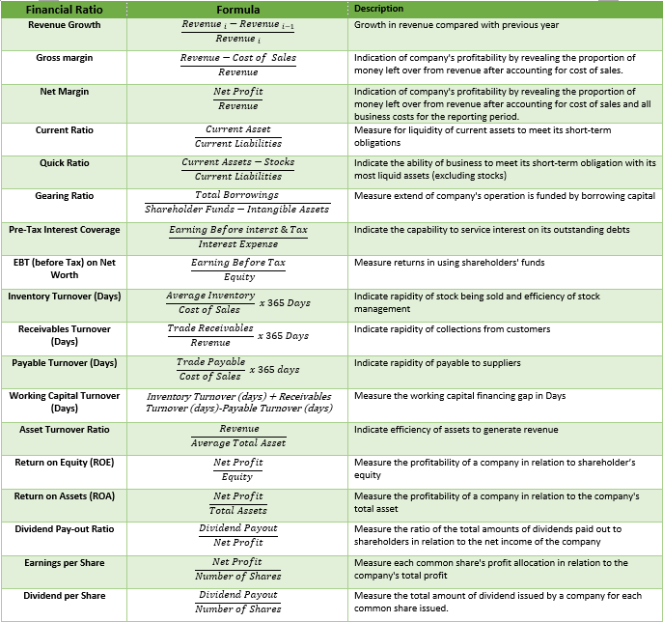
 |  |  |  | No of days
 | Audited / Mgmt Account | Audited | Audited |  |  | Audited | Audited | #REF! | #REF! | #REF! |  |  |  | Yes
 | Profit & Loss | 30/04/2023 | 30/04/2024 |  | Financial Ratio | 30/04/2023 | 30/04/2024 | #REF! | #REF! | #REF! |  |  |  | No
 | Profit & Loss (REF) | Audited-30/04/2023 | Audited-30/04/2024 |  | Financial Ratio (REF) | Audited-30/04/2023 | Audited-30/04/2024 | #REF! | #REF! | #REF! |  |  |  | N/A
 | Revenue | 17,978,860 | 27,983,932 |  | Revenue Growth | N/A | 56% | #REF! | #REF! | #REF!
 | Cost of sales | 15,376,899 | 24,122,517 |  | Gross margin | 14% | 14% | #REF! | #REF! | #REF!
 | Gross Profit | 2,601,961 | 3,861,415 |  | Net Margin | 0% | 2% | #REF! | #REF! | #REF!
 | Depreciation | 131,587 | 149,887 |  | Current Ratio | 1.33 | 1.24 | #REF! | #REF! | #REF!
 | Staff Cost | 637,563 | 822,562 |  | Quick Ratio | 0.65 | 0.69 | #REF! | #REF! | #REF!
 | Other Operating Expenses | 1,007,204 | 1,676,656 |  | Gearing Ratio | 3.69 | 2.40 | #REF! | #REF! | #REF!
 | Operating Profit | 825,607 | 1,212,310 |  | Pre-Tax Interest Coverage | 1 | 2 | #REF! | #REF! | #REF!
 | Add : Other Income | 44,343 | 209,614 |  | Return (before Tax) on Net Worth | 6% | 18% | #REF! | #REF! | #REF!
 | EBIT | 869,950 | 1,421,924 |  | Inventory Turnover (Days) | N/A | 102.43 | #REF! | #REF! | #REF!
 | Interest | 708,836 | 643,421 |  | Receivables Turnover (Days) | 43 | 69.43 | #REF! | #REF! | #REF!
 | Taxes | 131,554 | 254,114 |  | Payable Turnover (Days) | 63 | 88.94 | #REF! | #REF! | #REF!
 | Net Profit (Loss) for the Year | 29,560 | 524,389 |  | Working Capital Turnover (Days) | N/A | 82.92 | #REF! | #REF! | #REF!
 | Dividend Payout | - | - |  | Asset Turnover Ratio | N/A | 1.52 | #REF! | #REF! | #REF!
 | PBT | 161,114 | 778,503 |  | Return on Equity (ROE) | 0.01 | 0.12 | #REF! | #REF! | #REF!
 |  |  |  |  | Return on Assets (ROA) | 0.00 | 0.02 | #REF! | #REF! | #REF!
 | Balance Sheet | 30/04/2023 | 30/04/2024 |  | Dividend Pay-out Ratio | 0 | 0 | #REF! | #REF! | #REF!
 | Balance Sheet (REF) | Audited-30/04/2023 | Audited-30/04/2024 |  | Earnings per Share | 0.05 | 0.81 | #REF! | #REF! | #REF!
2 | Unqualified Reports | Yes | Yes |  | Dividend per Share | 0.00 | 0.00 | #REF! | #REF! | #REF!
3 | Non Current Asset | 3,471,889 | 4,452,653 |  | PBT Margin | 1% | 3% | #REF! | #REF! | #REF!
4 | Current Asset | 12,267,460 | 16,525,354
5 | Trade Receivables | 2,127,384 | 5,322,743
6 | Other Receivables and Prepayments | 2,897,685 | 2,515,534
7 | Other Receivables | 1,461,947 | 1,648,324
8 | Amount Due from Directors | 179,905 | 262,055
9 | Amount Due from Related Companies | 1,173,737 | 524,171
10 | Others | 82,096 | 80,984
11 | Stock | 6,285,035 | 7,254,613
12 | Cash & Cash At Bank | 957,356 | 1,432,464
13 | Total Asset | 15,739,349 | 20,978,007
14 | Non Current Liabilities | 3,843,051 | 3,364,658
15 | Bank/FI/Non-FI borrowings | 3,683,876 | 3,261,796 |  |  |  |  |  | principal | interest | installment | balance | balance
16 | Hire Purchase Payable | 102,822 | 39,595 |  |  |  |  |  | 83,333.33 | 5,333.33 | 88,666.66 | 4 | 354,666.64
17 | Other Payables | 56,353 | 63,267 |  |  | #REF! |  |  | 83,333.33 | 5,333.33 | 88,666.66 | 4 | 354,666.64
18 | Current Liabilities | 9,213,865 | 13,374,961 |  |  |  |  |  | 40,000.00 | 2,560.00 | 42,560.00 | 6 | 255,360.00
19 | Trade Payables | 2,667,653 | 5,878,219 |  |  |  |  |  |  |  | 0.00 |  | 964,693.28
20 | Other Payables & Accruals | 441,947 | 628,601 |  |  | #REF!
21 | Other Payables | 201,463 | 263,585 |  |  | #REF!
22 | Amount Due to Director | - | -
23 | Amount Due to Related Companies
24 | Others | 240,484 | 365,016
25 | Bank/FI/Non-FI borrowings | 6,059,168 | 6,824,486
26 | Hire Purchase Payable | 45,097 | 43,655
27 | Total Liabilities | 13,056,916 | 16,739,619
28 | Equity | 2,682,433 | 4,238,388
29 | Share Capital | 1,000,000 | 1,000,000
30 | Retained Earnings | 1,682,433 | 2,181,822 |  | #REF!
31 | Revaluation Reserve | - | 1,056,566
32 | Total Liabilities and Equity | 15,739,349 | 20,978,007
 |  | - | -

 | Intangible Asset | - | -
 | Goodwill
 | Patent
 | Trademarks
 | Copyrights
 | Net Tangible Asset | 2,682,433 | 4,238,388
 | NTA = Total Assets - Total Liabilities - Intangible Assets ; Where: Intangible Assets include non-physical assets like goodwill, patents, trademarks, and copyrights.
 | Number of Shares | 650,000 | 650,000

 | Balance Sheet | 30/04/2023 | 30/04/2024
 | Balance Sheet (REF) | Audited-30/04/2023 | Audited-30/04/2024
2 | Unqualified Reports | Yes | Yes
3 | Non Current Asset | 3,471,889 | 4,452,653
4 | Current Asset | 12,267,460 | 16,525,354
5 | Total Asset | 15,739,349 | 20,978,007
6 | Non Current Liabilities | 3,843,051 | 3,364,658
7 | Current Liabilities | 9,213,865 | 13,374,961
8 | Total Liabilities | 13,056,916 | 16,739,619
9 | Share Capital | 1,000,000 | 1,000,000
10 | Reserve | - | 1,056,566
11 | Retained Earning | 1,682,433 | 2,181,822
12 | Minority Interest | - | -
13 | Equity | 2,682,433 | 4,238,388
14 | Total Liabilities and Equity | 15,739,349 | 20,978,007

 |  | TRUE | TRUE

 | Audited / Mgmt Account | Audited | Audited
 | Profit & Loss | 30/04/2023 | 30/04/2024
 | Profit & Loss (REF) | Audited-30/04/2023 | Audited-30/04/2024
2 | Revenue | 17,978,860 | 27,983,932
3 | Net Profit (Loss) Before Tax | 161,114 | 778,503
4 | Net Profit (Loss) After Tax | 29,560 | 524,389
5 | Net Dividend | - | -
6 | Miniority Interest | - | -

